1. Title Page
[Project Name]

Project Name: Instacart Grocery Basket Analysis
Date: 10/11/2023
Analyst Name: Smriti Bhattarai

Contents:
Population Flow
Consistency checks
Wrangling steps
Column derivations
Visualizations
Recommendations

2. Population Flow
Title page

Population flow

Exclusion flag
Condition: max_order < 5
Obervations to be removed: 1,440,295
Final total count of order_products_all: 30,964,564

Orders_products_combined
Orders_products_merged
Orders_products_all

Total: 999993, 20
Total: 32434489, 13
Total: 32,404, 859

1.) The grey boxes in the first row of the population flow represent the original data sets as they were when you downloaded them. In the Total fields you need to add the count of the rows when you imported the data set into Jupyter.
2.) The second row of boxes (coloured) represents the data sets after you manipulated them, e.g., removed missing values and duplicates. In the Total fields you need to add the count of the rows after conducting these operations. This offers a visual oveview of how the data flows throughout the data consistency checks.
3.) The third row, where also the arrows are coloured, represents the merges you performed between the datasets. In the Total fields you need to add the count of the rows in the merged datasets, so that you end up with the final dataset (in the red box). Keep in mind the final dataset should be without exclusions (based on the exclusion flag).

3. Consistency checks
 |  |  |  | Title page
Consistency checks

Dataset | Missing values | Missing values treatment | Duplicates
orders | #Checking for missing values in df_ords data frame, df_ords.isnull().sum() #Creating a new data frame, df_nan for null values of column day_since_prior_order, df_ords_nan = df_ords[df_ords['days_since_last_order'].isnull() == True] #Searching the order_number column for missing values for each value in our column, df_ords['order_number'].value_counts(dropna = False) | Missing value is consitent with the data of first time order. Hence removing data is not required | # checking for duplicate values in df_ords data frame, df_ords_dups = df_ords[df_ords.duplicated() #Viewing duplicates values for df_ords, df_ords_dups There are no duplicates in df_ords dataframe
products | #Find missing values, df_prods.isnull().sum() df_nan = df_prods[df_prods['product_name'].isnull() == True] df_nan | # Creating a new dataframe for non missing value, df_prods_clean = df_prods[df_prods['product_name'].isnull() == False] df_prods_clean.shape | # Looking for duplicates in products dataframe, df_dups = df_prods_clean[df_prods_clean.duplicated() #creating new dataframe without duplicates, df_prods_clean_no_dups = df_prods_clean.drop_duplicates()
orders_products_prior
customers | No missing values |  | No duplicates
States/regions | No missing values |  | No duplicates
departments | No missing values |  | No duplicates

4. Wrangling steps
 |  |  |  | Title page
Wrangling steps

Columns dropped | Columns renamed | Columns' type changed | Comment/Reason
Droping eval_set column from orders.csv df_ords.drop(columns = ['eval_set']) df_ords['days_since_prior_order'].value_counts(dropna = False)
df_ords['order_hour_of_day'].value_counts(dropna = False)
Droped unnamed columns df_prods = df_prods.drop(columns = ['Unnamed: 0']) |  |  | Drop unnamed columns in df_prods (not necessary),
df_ords_prods_combined = df_ords_prods_combined.drop(columns = ['Unnamed: 0', 'Unnamed: 0.1', '_merge']) |  |  | Drop unnamed columns in df_ords_prods_combined (not necessary),
first_name |  |  | Data privacy
last_name |  |  | Data privacy
 | order_dow' to 'orders_day_of_week' |  | To clarify column name
 | days_since_prior_order' to 'days_since_last_order' |  | To clarify column name
 |  | 'order_id' datatype changed from int64 to object | To ignore order_id column when calculating descriptive statistics
 |  | 'user_id' datatype changed from int64 to object | To ignore user_id column when calculating descriptive statistics
 |  | 'first_name' datatype changed to object | Column 'first_name' contained mixed datatypes. Needed cleaning

5. Column derivations
 |  |  |  | Title page

Column derivations and aggregations

In this tab you should add tables below that the frequences of flags/label variables that you produced after deriving them. NB: don't do this for continuous variables, only for flags.
Dataset | New column | Column/s it was derived from | Conditions
orders_products_merged | Price range | Price | If price is greater than 15, price is high-range product
orders_products_merged | Price range | Price | If price is between 5 and 15, value is mid-range product
orders_products_merged | Price range | Price | If price is under 5, value is low-range product
orders_products_merged | busiest_days | orders_day_of_week | If orders_day_of_week is 0 or 1, value is very busy
orders_products_merged | busiest_days | orders_day_of_week | If orders_day_of_week is 3 or 4, value is not busy
orders_products_merged | busiest_days | orders_day_of_week | If orders_day_of_week is anything else, value is regularly busy
orders_products_merged | loyalty_flag | max_order | If max_order for the user is over 40, then labeled a “Loyal customer.”
orders_products_merged | loyalty_flag | max_order | If max_order for the user is over 10 but less than or equal to 40, then labeled a “Regular customer.”
orders_products_merged | loyalty_flag | max_order | If max_order for the user is less than or equal to 10, then labeled a “New customer.”
orders_products_merged | spending_flag | avg_item_price | If avg_item_price of user_id is lower than 10, labeled "Low spender"
orders_products_merged | spending_flag | avg_item_price | If avg_item_price of user_id is greater or equal to 10, labeled "High spender"
orders_products_merged | Non-frequent customer | median_order | If median order more than 20, then labeled as Non-frequent customer
orders_products_merged | Regular Customer | median_order | If median order more than 10, then labeled as Non-frequent customer
orders_products_merged | Frequent customer | median_order | If median order upto and equal 10, then labeled as Non-frequent customer
customers_orders_products | age_group | customer_age | If customer age is between 18-33, set value of age group to 'young'
customers_orders_products | age_group | customer_age | If customer age is between 34-65, set value of age group to 'middle-aged'
customers_orders_products | age_group | customer_age | If customer age is between 66-81, set value of age group to 'old'
customers_orders_products | customer_dependents | customer_number_of_dependents | If customers do not have any dependents, set value to 'no dependents'
customers_orders_products | customer_dependents | customer_number_of_dependents | If customers have 1 or more dependents, set value to '1 or more dependents'
customers_orders_products | customer_profile | customer_gender age_group customer_dependents | Label customer profile with corresponding labels from customer_gender, age_group, and customer_dependents column flags 12 unique customer profile values created
customers_orders_products | customer_diet | user_id department | Default value is 'none' If customer does not have any past item purchases from 'meat seafood' department, flag as 'vegetarian' If customer does not have any past item purchases from 'meat seafood' or 'dairy eggs' department, flag as 'vegan'

6. Visualizations
 |  |  | Title page

Visualisations

In this tab you should include all the visualtions from Exercises 4.9 and 4.10, alongside the questions from the project brief that they answer. Include any commentary on the relationship between different variables.

Sales team needs to know what the busiest days of the week and hours of the day are (i.e., the days and times with the most orders) in order to schedule ads at times when there are fewer orders: As per first chart, timing from 9am to 4pm stand out as peak hours for placing order and second chart illustrates that highest number of order occurs on saturday and sunday | 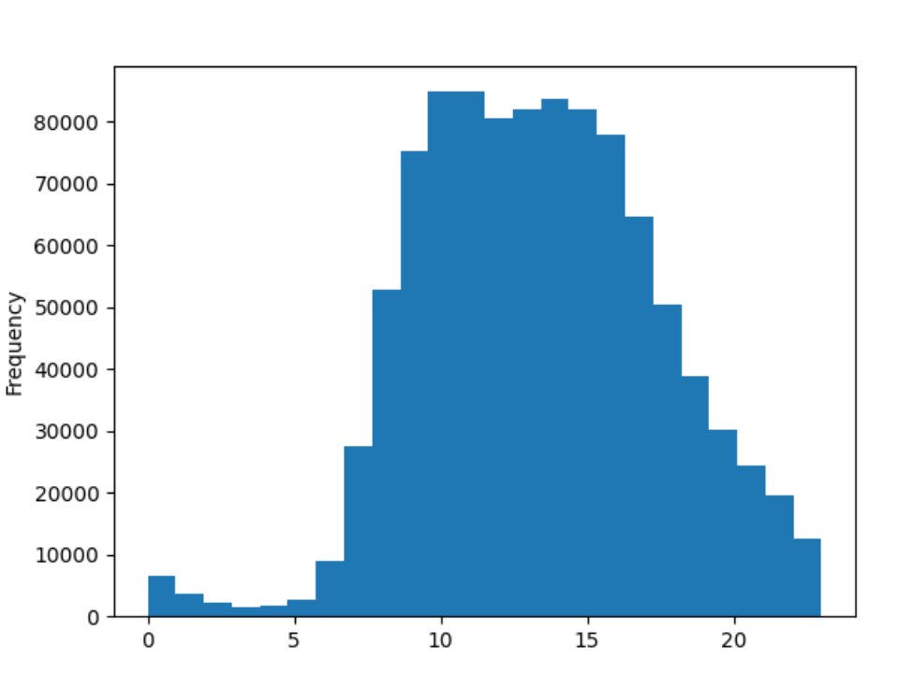 | 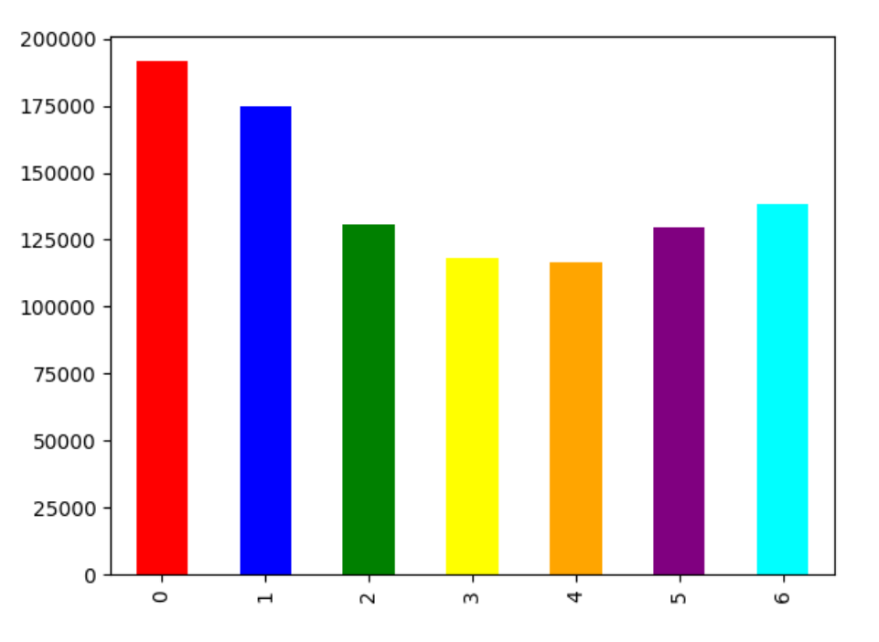

Correlation between age and income: its a noteworthy correlation emerges between age and spending power, with a particularly significant increase observed after the age of 40. This positive connection suggests that as individuals progress in age, there is a corresponding boost in their spending capacity. Recognizing this trend could inform targeted marketing strategies and product offerings tailored to the evolving preferences and financial capacities of different age groups. | 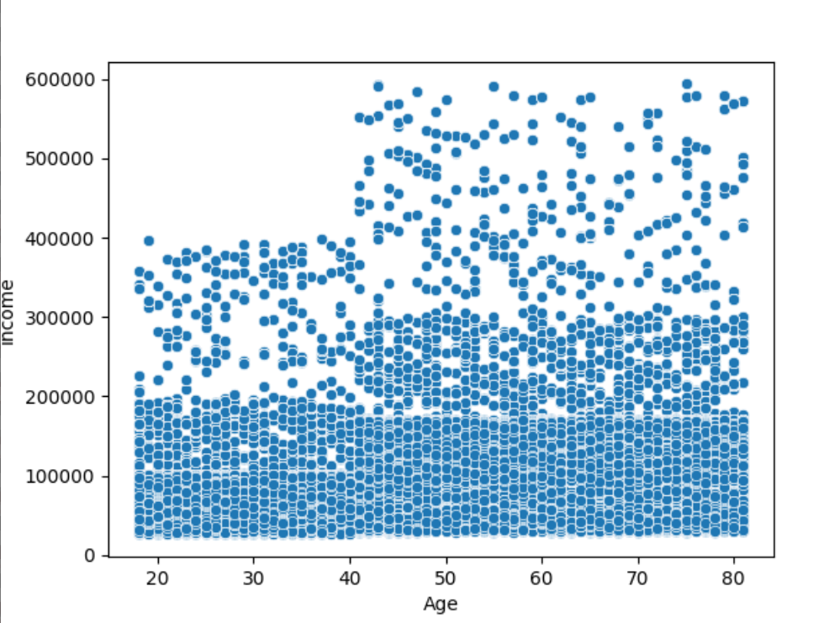

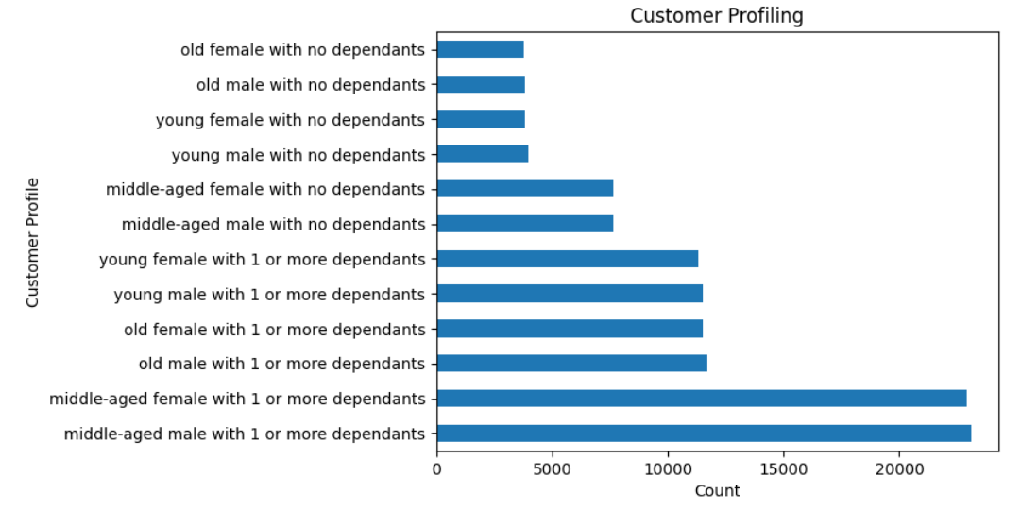
Customer profiling: Middle-aged male with 1 or more dependants and Middle-aged female with 1 or more dependants has high number of count

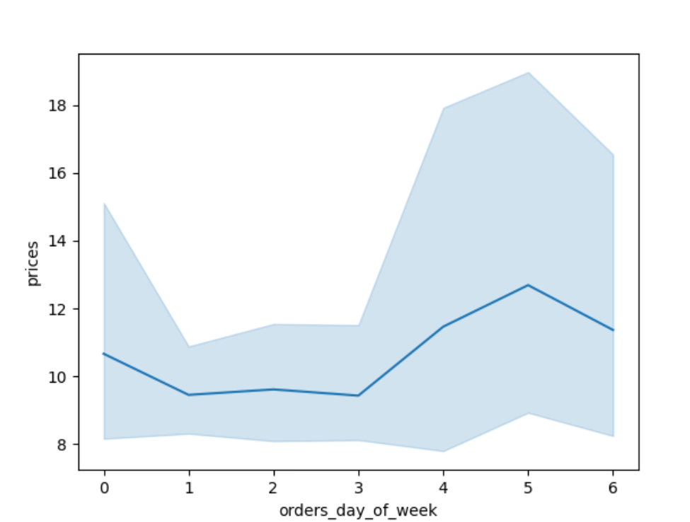

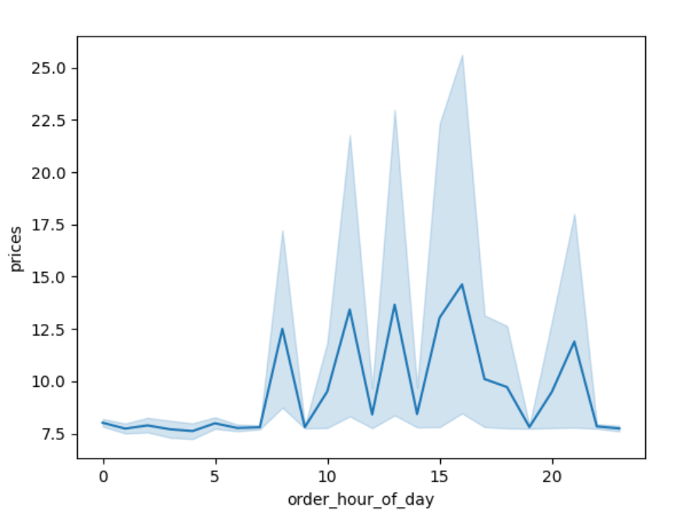

Price comparision with order day of week and order hour of day: Weekend has the higest amount of orders and people spend more money during 9am to 4 pm as per price and order hour of day chart

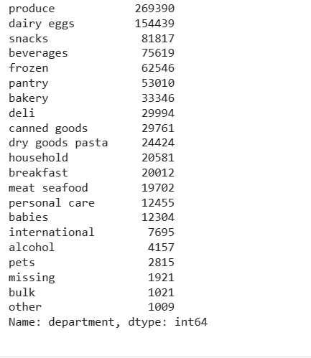
The most popular item by department is produce, dairy eggs, snacks, beverages, frozen, pantry and etc.

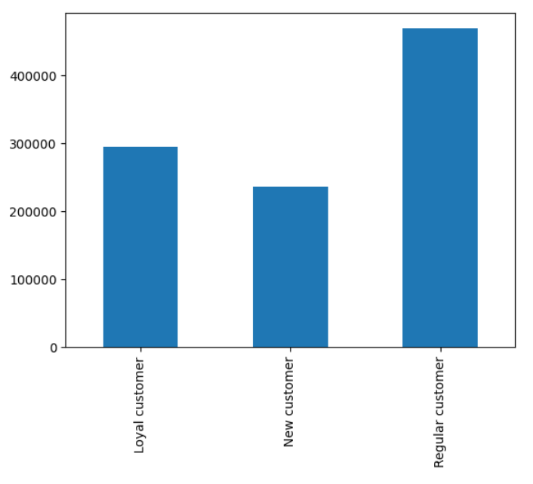
The distribution among users highlights a strong trend in brand loyalty, with the majority being regular customers, followed by loyal customers, and new customers constituting the smallest segment.

7. Recommendations
 |  | Title page

Recommendations

In this tab you should include any recommendations you would made to Instcart in terms of their marketing strategy based on the questions posed in the brief. Every key question has been covered in the Tasks of the Exercises - here you need to add an item - a visualisation or table/crosstable that is showing the answer in the data, acompanied by a comment from you. Please, list the questions below and add the answer underneath.

Question | Answer
What are the busiest days of the week and hours of the day? | As the visualizations show, the busiest days in terms of number of orders are Saturday and Sunday while the least busy days are Wednesdays and Tuesdays. Many people prefer to do their grocery shopping on weekend days with less time occupied by working hours. Within a given day, the busiest time period occurs between 9AM - 4 PM.

They also want to know whether there are particular times of the day when people spend the most money, as this might inform the type of products they advertise at these times | The price and order hour of the day chart shows that there are some peaks during the 9AM and 4PM. During these hours, the average price of items that are bought is more than $15. The prices of items that are bought between 9AM - 4PM average around $11-13. Even though there are some hours of the day that indicate a greater willingness from customers to spend on higher priced items, the volume of these orders is very low. The vast majority of orders and sales occurs during 9AM - 4PM and marketing should focus their efforts on these peak time periods for the highest returns on investments.

Instacart has a lot of products with different price tags. Marketing and sales want to use simpler price range groupings to help direct their efforts. | As the pricing frequency chart shows, there are many different priced items. To simply item prices into pricing groups, items were assigned a pricing group. For items that are priced $5 or less, it was labeled as a low price range item. For items that are priced between $5-15, it was labeled as a mid price range item. For items that are priced $15 or more, it was labeled as a high price range item. With a simpler price range grouping for items, marketing and sales can use these simpler price range groupings to analyze and identify trends in customer and order purchases and determine insights to increase Instacart revenue. The majority of items fall within the mid-range pricing label while only a small amount of items that are purchased are more than $15.

Are there certain types of products that are more popular than others? The marketing and sales teams want to know which departments have the highest frequency of product orders. | There are strong customer preferences when it comes to the types of products most people order. Items that belong to the produce and dairy/eggs departments make up more than 45% of all items ordered. Other popular items include snacks, beverages, and frozen items. The marketing and sales teams should concentrate their efforts to promote and highlight products from the previously mentioned popular departments where there already shows to be a high demand. This could be done through visusually appealing web and app displays and to encourage impulse purchases. Other strategies could include targeted promotions that include special discounts and bundle deals to incentivize repeat customers and larger order sizes.

What’s the distribution among users in regards to their brand loyalty? How often do they return to Instacart? | Cultivating loyalty among our current clientele is extremely important. We recommend launching personalized initiatives targeting new customers, enticing them with attractive offers to facilitate their initial purchases and familiarize them with the benefits of our loyalty program. For regular customers, strengthening their loyalty is key; this is achieved through exclusive offers, personalized product offers and a multi-level loyalty scheme that recognizes their continued support. loyal customers deserve special attention; We continue to enhance their experience with exclusive incentives and early access to promotions, ensuring they feel valued and appreciated.

What differences can you find in the ordering habits of different customer profiles? Study of the correlation between age and income | Targeted marketing campaigns: It is necessary to develop marketing campaigns tailored to different age groups. Develop messages and promotions that align with the financial capacity and preferences of individuals in this age group. Highlight products and services that meet their specific needs and desires.

